Sheet1
 |  | Document No. | Issue No. | Issue Date |  | Review and Replace Date |  | Authorised By
 |  | GFF357MC | 1 | 03.05.2022 |  | New Issue |  | Magda Shah
 |  | Document Title | 4 CHICKEN SPRING ROLLS 200G
 |  |  |  |  |  |  |  | Magda Shah
Document amendments reason for change |  | Document created |  | Page 1 of 1 | Previous Issue Date |  | New Issue | Uncontrolled copy unless signed original

CCSRM-R6TTA | TAKUL |  | 4 CHICKEN SPRING ROLLS 200G | CHILLED
STEP 1 |  |  |  | STEP 2
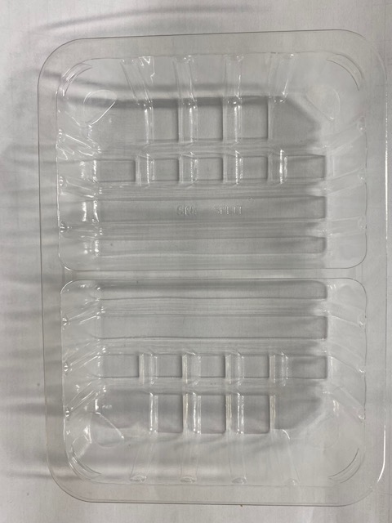 |  |  |  | 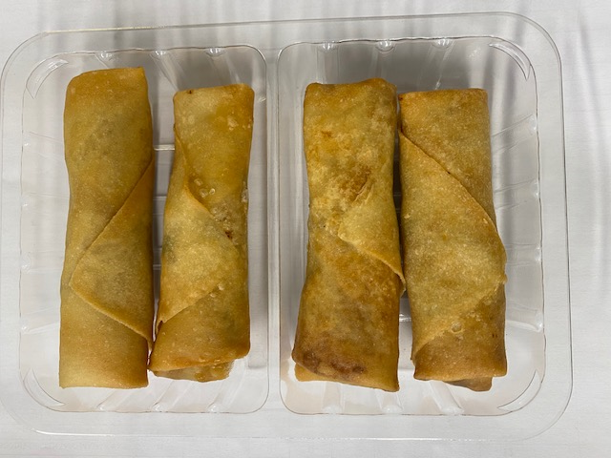

Tray: SK4-Split Clear (PKESSOO1-06) |  |  |  | 4 x Chicken Spring Rolls 50g (GFF007R) |  |  |  |  | TOTAL WEIGHT 200g
Film: ME300AFV2, 300mmx 1000m (PKPRO001-16)
ALLERGY ALERT: WHEAT, SOYA

